summary film
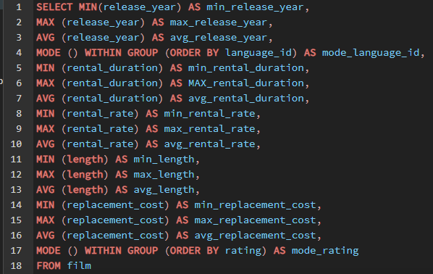
min_release_year | max_release_year | avg_release_year | mode_language_id | min_rental_duration | max_rental_duration | avg_rental_duration | min_rental_rate | max_rental_rate | avg_rental_rate | min_length | max_length | avg_length | min_replacement_cost | max_replacement_cost | avg_replacement_cost | mode_rating
2006 | 2006 | 2006 | 1 | 3 | 7 | 4.985 | 0.99 | 4.99 | 2.98 | 46 | 185 | 115.272 | 9.99 | 29.99 | 19.984 | PG-13

Summary customer
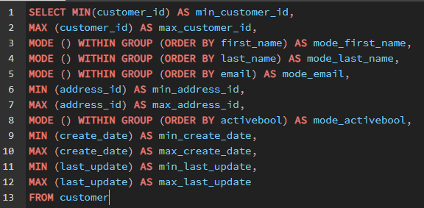
min_customer_id | max_customer_id | mode_first_name | mode_last_name | mode_email | min_address_id | max_address_id | mode_activebool | min_create_date | max_create_date | min_last_update | max_last_update
1 | 599 | Jamie | Abney | aaron.selby@sakilacustomer.org | 5 | 605 | TRUE | 2006-02-14 | 2006-02-14 | 2013-05-26 14:49:45 | 2013-05-26 14:49:45

Top 10 countries (customers)
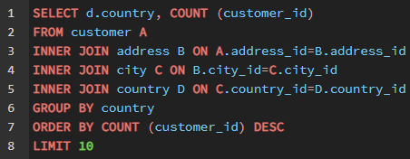
Country | Customers
India | 60
China | 53
United States | 36
Japan | 31
Mexico | 30
Brazil | 28
Russian Federation | 28
Philippines | 20
Turkey | 15
Indonesia | 14

Revenue by genre
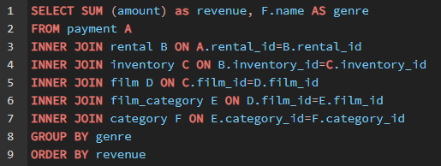
revenue | genre
4892.19 | Sports
4336.01 | Sci-Fi
4245.31 | Animation
4118.46 | Drama
4002.48 | Comedy
3966.38 | New
3951.84 | Action
3934.47 | Foreign
3922.18 | Games
3782.26 | Family
3749.65 | Documentary
3401.27 | Horror
3353.38 | Classics
3309.39 | Children
3227.36 | Travel
3071.52 | Music
47.89 | Thriller

customer countries
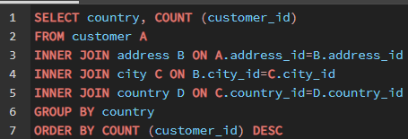
country | count
India | 60
China | 53
United States | 36
Japan | 31
Mexico | 30
Brazil | 28
Russian Federation | 28
Philippines | 20
Turkey | 15
Indonesia | 14
Argentina | 13
Nigeria | 13
South Africa | 11
Taiwan | 10
United Kingdom | 9
Poland | 8
Iran | 8
Germany | 7
Italy | 7
Venezuela | 7
Egypt | 6
Colombia | 6
Ukraine | 6
Vietnam | 6
Spain | 5
Canada | 5
South Korea | 5
Pakistan | 5
Netherlands | 5
Saudi Arabia | 5
Israel | 4
France | 4
Yemen | 4
Peru | 4
Dominican Republic | 3
Bangladesh | 3
Thailand | 3
Algeria | 3
Chile | 3
Malaysia | 3
Mozambique | 3
Switzerland | 3
Ecuador | 3
Paraguay | 3
Austria | 3
United Arab Emirates | 3
Morocco | 3
Tanzania | 3
Myanmar | 2
Bulgaria | 2
Cameroon | 2
Cambodia | 2
Congo, The Democratic Republic of the | 2
Sudan | 2
Romania | 2
Latvia | 2
Yugoslavia | 2
Puerto Rico | 2
Kazakstan | 2
Greece | 2
Bolivia | 2
Kenya | 2
French Polynesia | 2
Angola | 2
Belarus | 2
Oman | 2
Azerbaijan | 2
Hungary | 1
American Samoa | 1
Armenia | 1
Sri Lanka | 1
French Guiana | 1
Sweden | 1
Faroe Islands | 1
Ethiopia | 1
Bahrain | 1
Czech Republic | 1
Lithuania | 1
Turkmenistan | 1
Tunisia | 1
Virgin Islands, U.S. | 1
Malawi | 1
Chad | 1
Afghanistan | 1
Greenland | 1
Moldova | 1
Gambia | 1
Holy See (Vatican City State) | 1
Estonia | 1
Slovakia | 1
North Korea | 1
Nauru | 1
Liechtenstein | 1
Senegal | 1
Zambia | 1
Hong Kong | 1
Kuwait | 1
Madagascar | 1
Runion | 1
Saint Vincent and the Grenadines | 1
Tuvalu | 1
Finland | 1
Iraq | 1
Anguilla | 1
Brunei | 1
Tonga | 1
Nepal | 1
New Zealand | 1

revenue countries
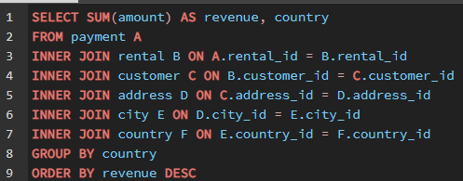
revenue | country
6032.79 | India
5247.04 | China
3694.27 | United States
3121.52 | Japan
2984.82 | Mexico
2919.19 | Brazil
2765.62 | Russian Federation
2219.7 | Philippines
1498.49 | Turkey
1352.69 | Indonesia
1314.92 | Nigeria
1298.8 | Argentina
1155.1 | Taiwan
1069.46 | South Africa
877.96 | Iran
848.97 | United Kingdom
786.16 | Poland
753.26 | Italy
741.24 | Germany
676.45 | Vietnam
675.53 | Ukraine
661.54 | Colombia
659.48 | Egypt
632.43 | Venezuela
559.7 | Canada
557.73 | Netherlands
527.77 | South Korea
513.8 | Spain
473.93 | Yemen
473.84 | Pakistan
452.94 | Saudi Arabia
407.01 | Peru
401.08 | Thailand
379.13 | Israel
369.18 | Ecuador
353.19 | Bangladesh
349.18 | Algeria
334.12 | France
330.23 | Malaysia
322.22 | Tanzania
315.25 | Mozambique
305.25 | United Arab Emirates
304.26 | Dominican Republic
303.34 | Chile
284.3 | Austria
274.35 | Morocco
273.4 | Paraguay
271.36 | Belarus
249.43 | Latvia
248.41 | Switzerland
245.49 | Kenya
233.49 | Yugoslavia
224.48 | Puerto Rico
218.42 | Romania
211.55 | Runion
205.52 | French Polynesia
204.54 | Greece
202.51 | Sudan
198.53 | Azerbaijan
194.52 | Bulgaria
192.51 | Kazakstan
187.55 | Angola
186.49 | Cameroon
179.53 | Myanmar
179.51 | Cambodia
178.56 | Bolivia
168.58 | Congo, The Democratic Republic of the
161.56 | Oman
146.68 | Holy See (Vatican City State)
143.7 | Nauru
139.67 | Sweden
132.72 | Czech Republic
127.66 | Moldova
126.74 | Turkmenistan
122.72 | Chad
121.73 | Malawi
121.7 | Zambia
121.69 | Virgin Islands, U.S.
119.72 | Greenland
118.75 | Armenia
114.73 | Gambia
111.73 | Iraq
111.71 | Hungary
108.76 | Bahrain
107.71 | North Korea
107.66 | Brunei
106.75 | Kuwait
105.72 | Estonia
104.76 | Hong Kong
103.73 | Sri Lanka
99.74 | Liechtenstein
99.68 | Anguilla
97.8 | French Guiana
96.76 | Faroe Islands
95.76 | Senegal
93.83 | Nepal
93.78 | Tuvalu
92.79 | Madagascar
91.77 | Ethiopia
85.77 | New Zealand
80.77 | Slovakia
78.79 | Finland
73.78 | Tunisia
67.82 | Afghanistan
64.84 | Tonga
64.82 | Saint Vincent and the Grenadines
63.78 | Lithuania
47.85 | American Samoa

